Blast Explanations
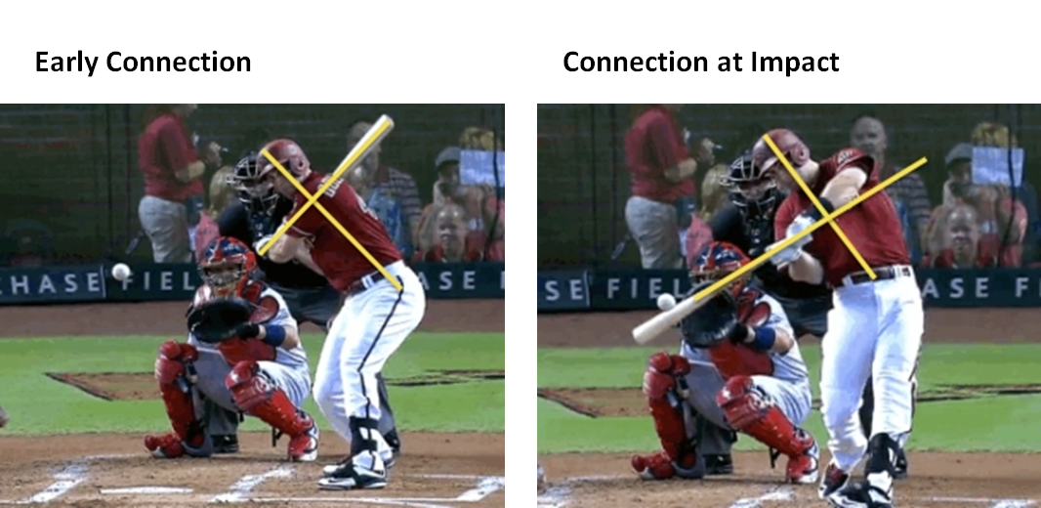

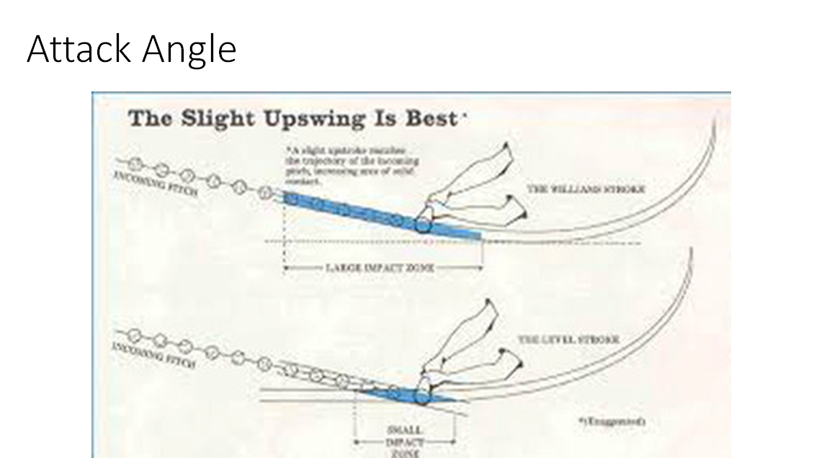

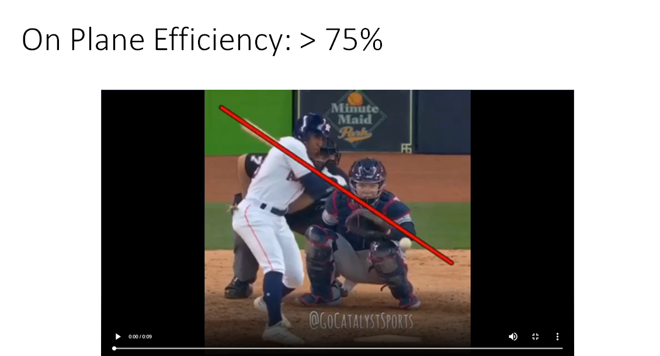

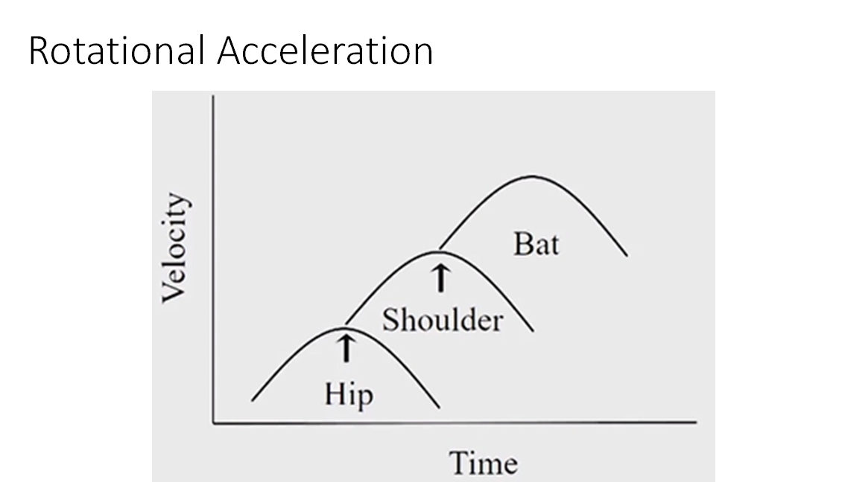

9.18 FB Mach SLG
9/13 FB Machine vs. SLG
9/13 FB Machine
 |  | OUTCOME | PROCESS | PROCESS
 | Name | SLG | XV | LD %
1 | Alonso | 0.385 | 77.4 | 42.9%
2 | Apostle | 1.091 | 67.8 | 42.9%
3 | Binnie | 0.643 | 79.1 | 28.6%
4 | Carnegie | 0.467 | 72.2 | 35.7%
5 | Charles, A | 0.214 | 69.6 | 28.6%
6 | Charles, L | 0.500 | 76.4 | 50.0%
7 | Collins | 0.538 | 72.8 | 28.6%
8 | Diaz | 0.071 | 59.8 | 14.3%
9/13 FB Machine vs. SLG
9 | Flematti | 0.250 | 69.4 | 14.3%
10 | Garza | 0.167 | 65.7 | 14.3%
11 | Giuliano | 0.571 | 68.5 | 28.6%
12 | Guy | 0.333 | 72.9 | 28.6%
13 | Hernandez | 0.200 | 70.7 | 10.0%
14 | Hollerbach | 0.357 | 74.1 | 21.4%
15 | Kaplan | 0.643 | 81.4 | 42.9%
17 | Matton | 0.308 | 70.6 | 42.9%
18 | Rodriguez | 0.143 | 66.6 | 7.1%
19 | Ross | 0.308 | 65.1 | 21.4%
20 | Russell | 0.833 | 76.1 | 35.7%
21 | Steigerwald | 0.250 | 68.6 | 28.6%
22 | Taylor | 0.357 | 58.9 | 21.4%

